Instructions
 | Instructions

 | The form can be customized to include the categories relevant to your organization:

 | Financial / Budget | Online Payroll
 | Corporate Governance | Online Purchase Orders
 | Compliance | Online Registration
 | Cash | Prepaid Expenses, Deposits and Other Assets
 | Gift Administration | Nonexchange (contributions, state appropriations, property tax) Revenue and AR
 | Accounts Receivable | Cash and Treasury Function
 | Management of Vendors | Computing
 | Purchasing | Master key Controls
 | Property, Plant and Equipment | Accessible Technology
 | Payroll / Personnel | Athletics
 | Revenue and Invoicing | International Programs
 | Accounts Payable | Disability Programs
 | Allocation of Expenses | Capital Projects
 | Debt Obligations, Leases, and guarantees | UW-Whitewater Foundation
 | Grant Revenue | University Property Management
 | Tuition Revenue | University Foundation
 | Loans and Notes Receivable | Continuing Education
 |  | Other

 | Select the categories you wish to respond to by following these steps:

1 | Navigate to the self assessment sheet and click the drop-down filter button in the table header to reveal the category display filter

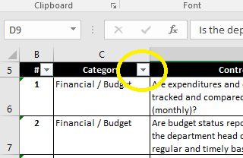

2 | Check the boxes of the categories you would like to display. If you only want to respond to a few, uncheck "select all" and individually select desired categories

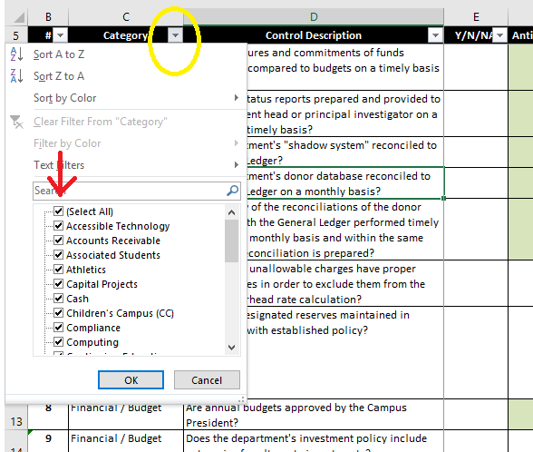

3 | After making your selection, click "ok"

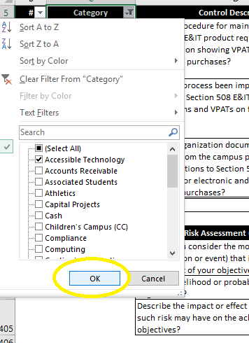

4 | Respond to the questions by clicking inside the cell adjacent to the question and answering by multiple choice selection, or typing your response in the field(s) If you responded NO or do not use the Controls referenced, please describe what you are doing to mitigate the risk

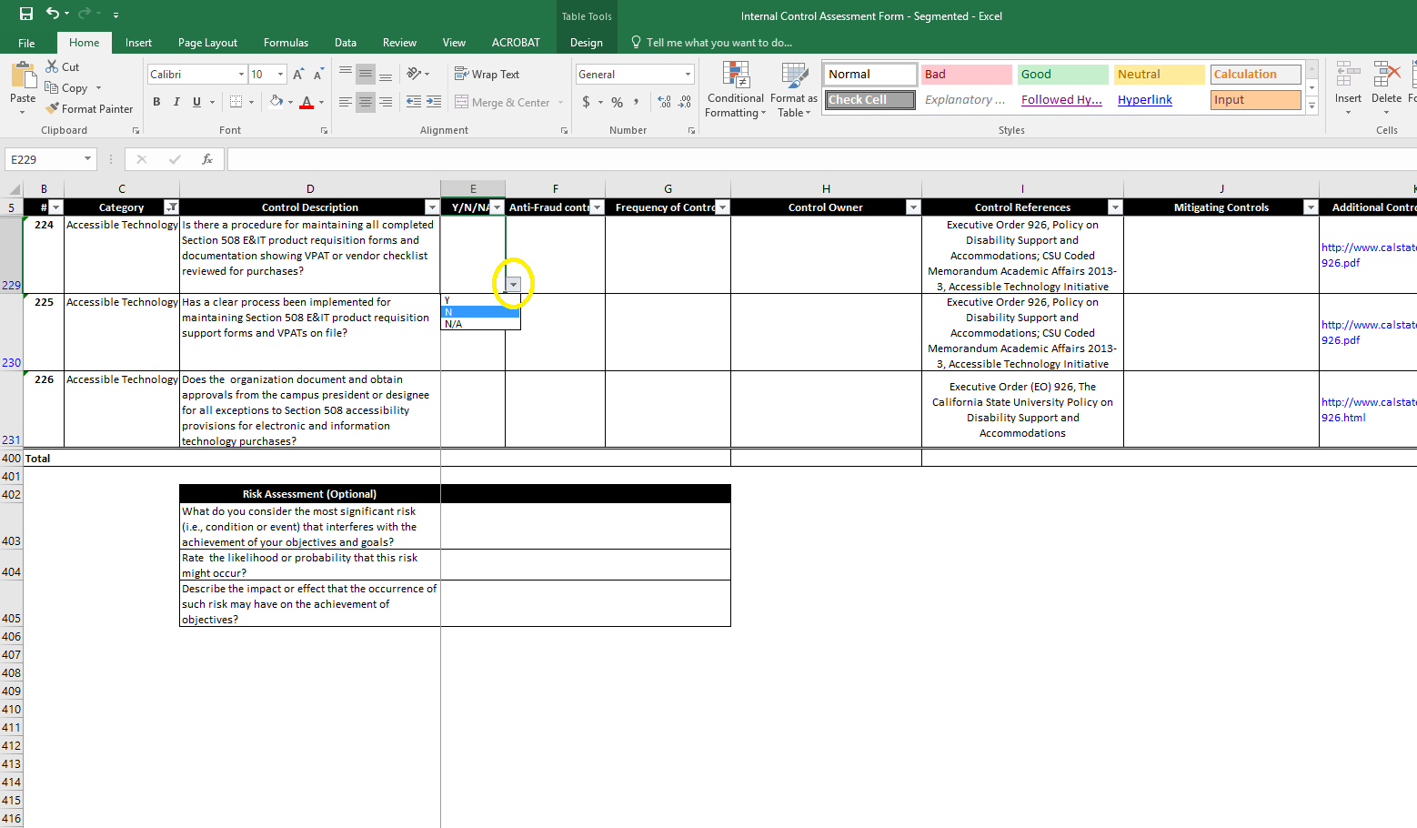

 |  | Go to Self-Assessment

